Sheet1
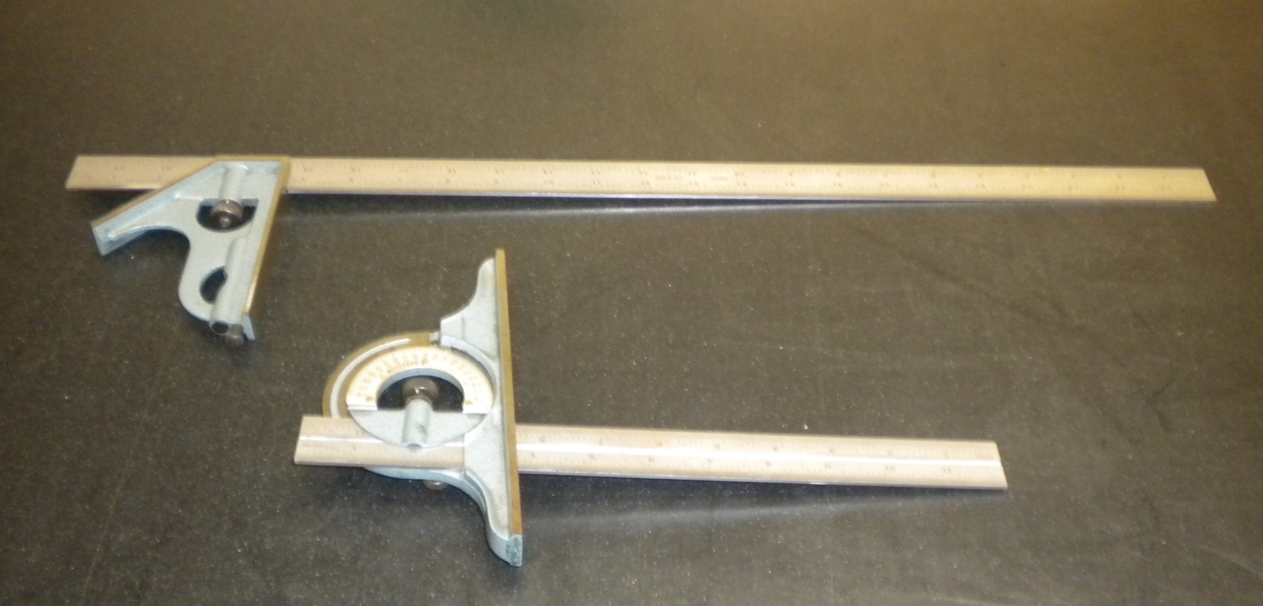

Tools required: Protractor, Combination square, Pencil

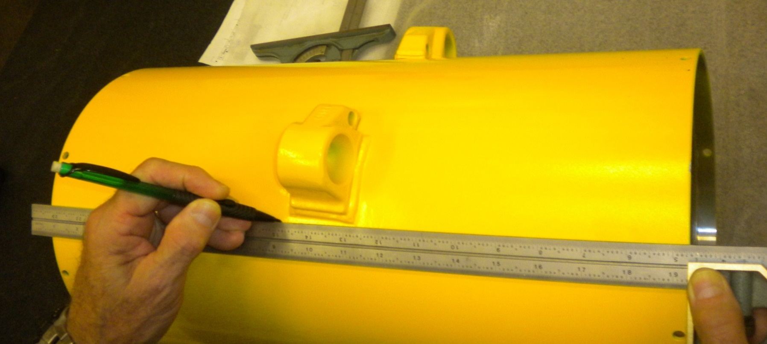

Using the square with the head aligned against the opposing edge, scribe a straight line under the lug.
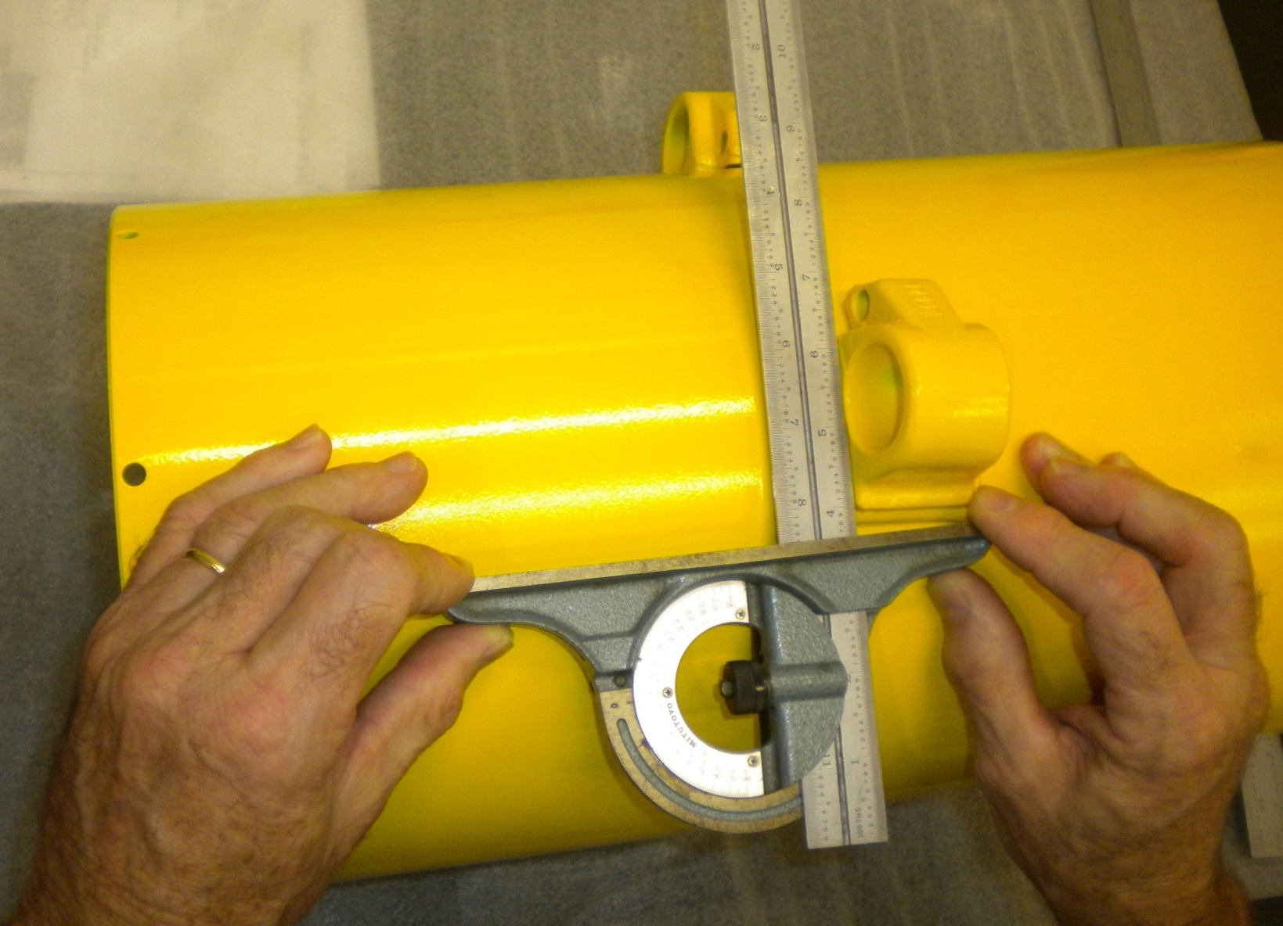

Align the head of the rpotractor with the line and move the blade to align with the lug.

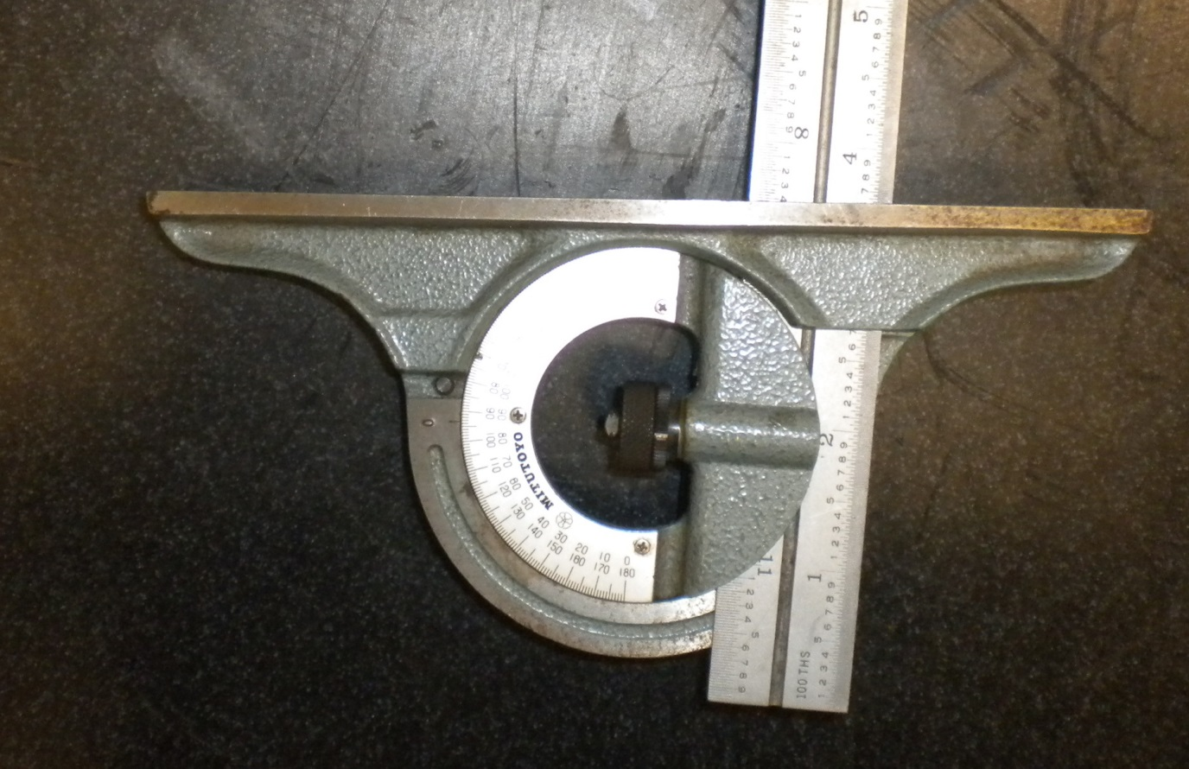

Protractor should read in the area of 3-1/2 -4-1/2 Degrees.

